Engine Sizing
INPUT FROM CEA INFO (Based on propellants and MR) |  | INPUTS |  |  |  | OUTPUTS
Gamma | 1.3 | Pc (psi) | 150 | (Pa) | 1034214 | ve (m/s) | 1230.562964
Molecular Weight (g/mol) | 17 | mdot (kg/s) | 0.75 |  |  | F (N) | 922.9222231 | (lbf) | 207.4811695
Chamber Temperature (K) | 860 |  |  |  |  | At (m^2) | 0.0009688517077 | (in^2) | 1.50172315
MR | 1.7 |  |  |  |  | Dt (m) | 0.03512236193 | (in) | 1.382770155
c* (m/s) | 1336
 |  |  |  |  |  | Te (K) | 502.7531808
R(j/mol K) | 489.0882353 |  |  |  |  | Me | 2.176512383
 |  |  |  |  |  | e (area ratio) | 2.105140223
 |  |  |  |  |  | Ae (m^2) | 0.0020395687 | (in^2) | 3.161337808
 |  |  |  |  |  | De(m) | 0.05095939092 | (in) | 2.006275233

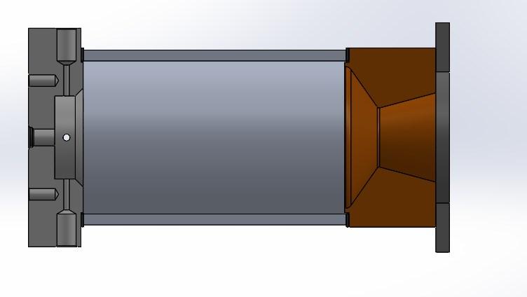
Constants
Ru (j/mol K) | 8.3145
Pe (Pa) | 101000

